Picture Dashboard
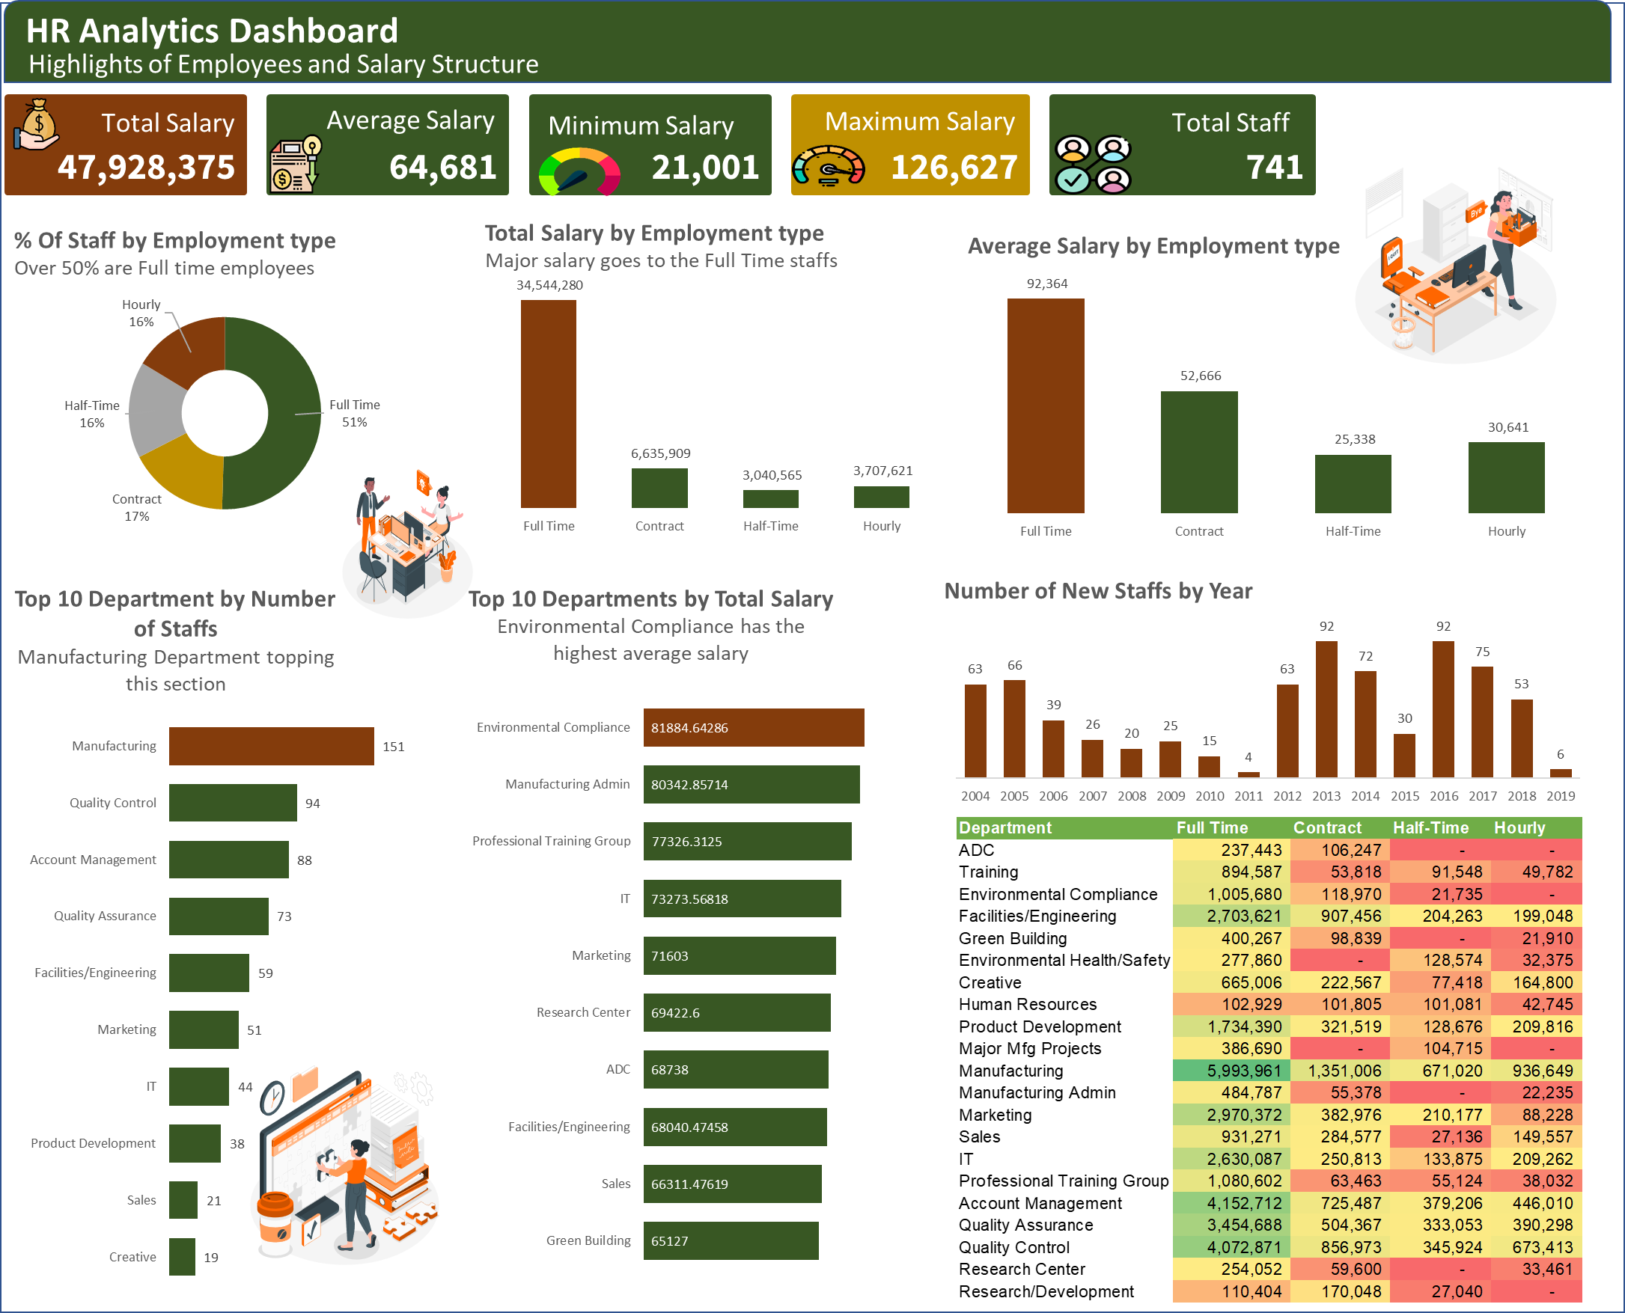

Dashboard

HR Analytics Dashboard
Highlights of Employees and Salary Structure

47,928,375
Total Salary
64,681
Average Salary
21,001
Minimum Salary
126,627
Maximum Salary
741
Total Staff

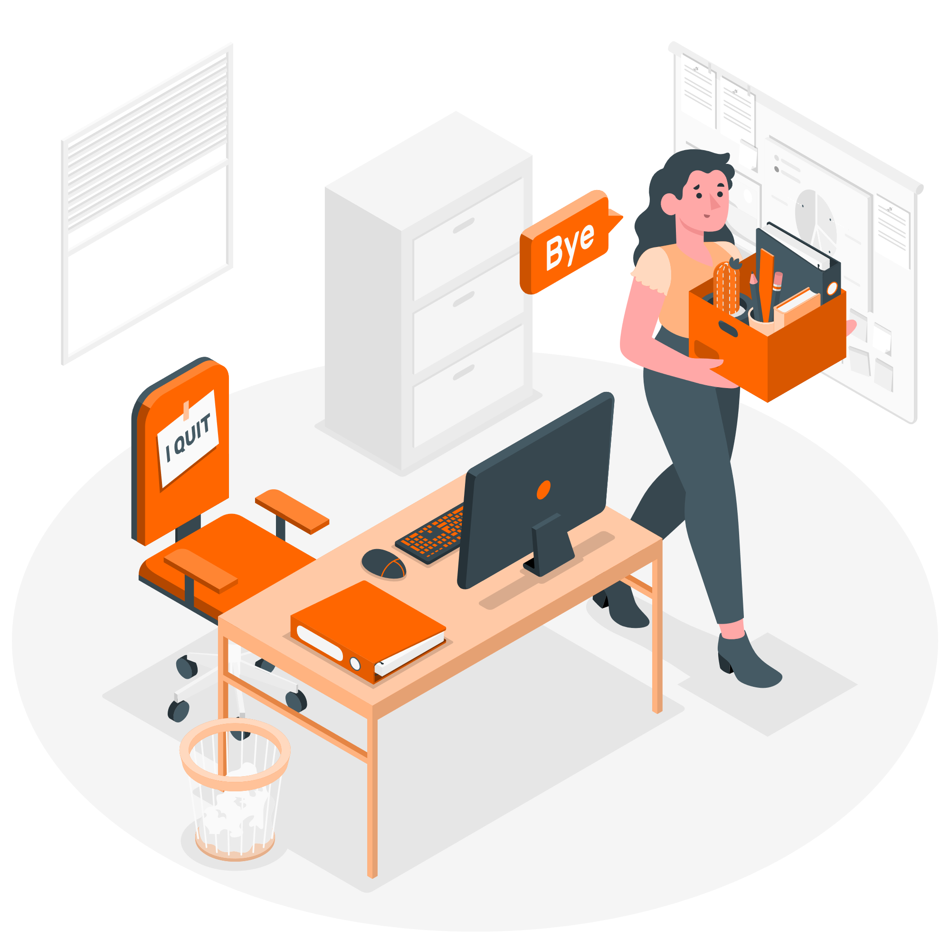

% Of Staff by Employment type Over 50% are Full time employees
 | No of Staff
Full Time | 374
Contract | 126
Half-Time | 120
Hourly | 121
Total Salary by Employment type Major salary goes to the Full Time staffs
 | Total Salary
Full Time | 34,544,280
Contract | 6,635,909
Half-Time | 3,040,565
Hourly | 3,707,621
Average Salary by Employment type
 | Avg Salary
Full Time | 92,364
Contract | 52,666
Half-Time | 25,338
Hourly | 30,641



Top 10 Department by Number of Staffs Manufacturing Department topping this section
 | Total
Creative | 19
Sales | 21
Product Development | 38
IT | 44
Marketing | 51
Facilities/Engineering | 59
Quality Assurance | 73
Account Management | 88
Quality Control | 94
Manufacturing | 151
Top 10 Departments by Total Salary Environmental Compliance has the highest average salary
 | Total
Green Building | 65127
Sales | 66311.47619
Facilities/Engineering | 68040.474576
ADC | 68738
Research Center | 69422.6
Marketing | 71603
IT | 73273.568182
Professional Training Group | 77326.3125
Manufacturing Admin | 80342.857143
Environmental Compliance | 81884.642857
Number of New Staffs by Year
 | No of Staff
2004 | 63
2005 | 66
2006 | 39
2007 | 26
2008 | 20
2009 | 25
2010 | 15
2011 | 4
2012 | 63
2013 | 92
2014 | 72
2015 | 30
2016 | 92
2017 | 75
2018 | 53
2019 | 6

